Login
SME LOAN

Staff ID

A123456

Password

LOG IN

PRODUCTION

Dashboard
SME LOAN
A123456 | SME USER

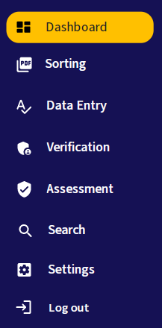
Dashboard

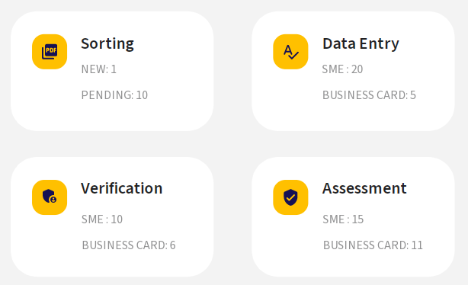

PRODUCTION

Sorting - Queue
SME LOAN
A123456 | SME USER

Sorting

NO | RECEIVED DATE | FILE NAME

1 | 12/20/22 | SME_00011837124.PDF

2 | 12/21/22 | SME_00011837124.PDF

3 | 12/22/22 | SME_00011837124.PDF

4 | 12/23/22 | SME_00011837124.PDF

5 | 12/24/22 | SME_00011837124.PDF

6 | 12/25/22 | SME_00011837124.PDF

7 | 12/26/22 | SME_00011837124.PDF

1
2
3

PRD

Sorting - Input
SME LOAN
A123456 | SME USER

Sorting
EXIT
DELETE IMAGE
SAVE

Company Info
Company Info

CIF Number
CHECK

Company Name

Business Constitution

New BRN

Old BRN

Incorporation Date

Application Info
Application Info

Loan Type

PRD
Process Type

Process Category

Loan Code

Loan Name

Data Entry - Queue
SME LOAN
A123456 | SME USER

Data Entry

NO | CHECKED IN DATE | LOAN TYPE | APP NO | CIF NO | COMPANY NAME | NEW BRN | OLD BRN | REMARK

1 | 12/20/22 | CONVENTIONAL | 12012301234 | 890002938 | COMPANY ONE | 202301123455 | LLP34234DD

2 | 12/21/22 | BIZ CARD | 12012301235 | 1201230 | COMPANY TWO | 202301123455

3 | 12/22/22 | BIZ CARD | 12012301236 | 823402938 | COMPANY THREE | 202301123455

4 | 12/23/22 | CONVENTIONAL | 12012301237 | 890123438 | COMPANY FOUR | 202301123455

5 | 12/24/22 | CONVENTIONAL | 12012301238 | 990002348 | COMPANY FIVE | 202301123455

6 | 12/25/22 | CONVENTIONAL |  | 890089098 | COMPANY SIX | 202301123455

7 | 12/26/22 | CONVENTIONAL |  |  | COMPANY SEVEN | 202301123455

1
2
3

PRD

Data Entry (SME) - Input
SME LOAN
A123456 | SME USER

Data Entry

Company Info
Company Info

CIF Number
CHECK

Company Name

Business Constitution

New BRN

Old BRN

Incorporation Date

Applicant Status

PRD
Business Code

Corporate Status

Relationship Status

Paid Up Capital

Authorised Capital

Annual Sales Turnover

Residency Status

No. of Employee

Company Address 1

Company Address 2

Company Address 3

Company Address 4

Postcode

District

State

Business Premises

Rental (per month)

No. of Years Occupied

Code
Telephone
Ext

Code
Fax

Code
Mobile Phone

Email

Register in Sabah/Sarawak

Mailing Address 1

Mailing Address 2

Mailing Address 3

Mailing Address 4

Postcode

District

State

Country Incorporated

Company Info
Additional Info
Company Info
Additional Info

ADD INDIVIDUAL
ADD COMPANY
ADD INDIVIDUAL
ADD COMPANY
1
REMOVE
1
REMOVE

✔
Shareholder
✔
Guarantor
✔
Shareholder
✔
Guarantor

CIF Number
CHECK
CIF Number
CHECK

Title
Company Name

Title (Specify)
Business Constitution

1
Name
New BRN

New IC
Old BRN

Old IC
Incorporation Date

Military IC
Business Code

Passport No
Corporate Status

Date of Birth
Paid Up Capital

Gender
Authorised Capital

Nationality
Annual Sales Turnover

Residency Status
Residency Status

Race
Company Address 1

Race (Specify)
Company Address 2

Person with Disability
Company Address 3

Disability Category
Company Address 4

OKU Registration
Postcode

Marital Status
District

Code
Mobile Phone
State

House Address 1
Code
Telephone
Ext

House Address 2
Register in Sabah/Sarawak

House Address 3
Country Incorporated
for shareholder only
Postcode
Share (%)

District
Designation

State

Type of Occupation

Employment Type

Company Name

Nature of Business

Nature of Business (Specify)

Position

Position (Specify)

Gross Salary

Net Salary

Annual Income
for shareholder only
Share (%)

Designation

Company Info
Product Info

Apply Date

Loan Type

Process Type

Process Category

Loan Code

Loan Name

Product Type

Type

Agent Code

Agent Name 1
Agent Name 2

Branch

Region

Facility

Purpose of Loan

Financial Concept

Grant

Receive Promotional Materials

Disclosure Information to 3rd Party

Company Info
Product Description

1
ADD PRODUCT
REMOVE

Product Code

Maker

Collateral

Model

Series

Product Price

Gear Type

Model CC

Vehicle Weight (btm/kerb)

Model No

Registration No

Year Made

Quantity

Product Remark

Equipment Located

Equipment Address 1

Equipment Address 2

Equipment Address 3

Equipment Address 4

Postcode

District

State

Company Info
Instalment Info

Cash Price

Deposit

Down Payment (%)

Finance Price

Profit Rate

Period

Prepayment (Month)

Prepayment Amount

Method of Payment

Monthly Instalment

Total Installment

Total Profit

CIF Number |  |  | Company Address 1

Company Name |  |  | Company Address 2

Business Constitution |  |  | Company Address 3

New BRN |  |  | Company Address 4

Old BRN |  |  | Postcode

Incorporation Date |  |  | District

Applicant Status |  |  | State

Business Code |  |  | Business Premises

Corporate Status |  |  | Rental (per month)

Relationship Status |  |  | No. of Years Occupied

Paid Up Capital |  |  | Telephone | Ext

Authorised Capital |  |  | Fax

Annual Sales Turnover |  |  | Mobile Phone

Residency Status |  |  | Email

No. of Employee |  |  | Mailing Address 1

Register in Sabah/Sarawak |  |  | Mailing Address 2

Country Incorporated |  |  | Mailing Address 3

 |  |  | Mailing Address 4

 |  |  | Postcode

 |  |  | District

 |  |  | State

 | Shareholder | Guarantor

CIF Number |  |  | Mobile Phone

Title |  |  | House Address 1

Title (Specify) |  |  | House Address 2

Name |  |  | House Address 3

New IC |  |  | Postcode

Old IC |  |  | District

Military IC |  |  | State

Passport No |  |  | Type of Occupation

Date of Birth |  |  | Employment Type

Gender |  |  | Company Name

Nationality |  |  | Nature of Business

Residency Status |  |  | Nature of Business (Specify)

Race |  |  | Position

Race (Specify) |  |  | Position (Specify)

Person with Disability |  |  | Gross Salary

Disability Category |  |  | Net Salary

OKU Registration |  |  | Annual Income

Marital Status

Share (%)

Designation

 | Shareholder | Guarantor

CIF Number |  |  | Company Address 1

Company Name |  |  | Company Address 2

Business Constitution |  |  | Company Address 3

New BRN |  |  | Company Address 4

Old BRN |  |  | Postcode

Incorporation Date |  |  | District

Business Code |  |  | State

Corporate Status |  |  | Telephone | Ext

Paid Up Capital

Authorised Capital

Annual Sales Turnover

Residency Status

Register in Sabah/Sarawak

Country Incorporated

Share (%)

Designation

Apply Date |  |  | Agent Code

Loan Type |  |  | Agent Name 1

Process Type |  |  | Agent Name 2

Process Category |  |  | Branch

Loan Code |  |  | Region

Loan Name |  |  | Grant

Product Type |  |  | Receive Promotional Materials

Type |  |  | Disclosure Information to 3rd Party

Facility

Purpose of Loan

Financial Concept

Product Code |  |  | Product Remark

Maker |  |  | Equipment Located

Collateral |  |  | Equipment Address 1

Model |  |  | Equipment Address 2

Series |  |  | Equipment Address 3

Product Price |  |  | Equipment Address 4

Gear Type |  |  | Postcode

Model CC |  |  | District

Vehicle Weight (btm/kerb) |  |  | State

Model No

Registration No

Year Made

Quantity

Cash Price |  |  | Monthly Instalment

Deposit |  |  | Last Payment

Down Payment (%) |  |  | Total Installment

Finance Price |  |  | Total Profit

Profit Rate |  |  | Balance

Period

Prepayment (Month)

Prepayment Amount

Method of Payment

